Purenit box
ISOTRA a.s. |  |  |  |  |  |  |  |  |  |  |  |  | E-mail: objednavky@isotra.cz
Bílovecká 2411/1, 746 01 Opava |  |  |  |  |  |  |  |  |  |  |  |  | www.isotra.cz
Order form UNDERPLASTER PURENIT BOXES

Order form |  |  |  |  |  |  |  |  |  |  | Customer
Order No.: |  |  |  |  |  |  |  |  |  |  | VAT:

Ordered on: |  |  |  |  |  |  |  |  |  |  | Invoice address:

Tel..
 |  |  |  |  |  |  |  |  |  |  | Delivery address:
Dispatch date.

Position | Pieces | Type BOX | Dimensions (mm) |  |  |  | Dimension B1 | Components |  |  |  |  | Note
 |  |  |  |  |  |  |  | Under-plaster rail | Mounting profile |  | Type brackets
 |  |  | Dimension A | Dimension B | Dimension C | Dimension D (section length) |  |  | TYPE | RAL | TYPE | pc
1 | 2 | 3 | 4 | 5 | 6 | 7 | 8 | 9 | 10 | 11 | 12 | 13 | 14

Note

 |  |  |  |  | 8) Dimension "B1" |  | 9) Under-plaster rail |  | 10) Mounting profile
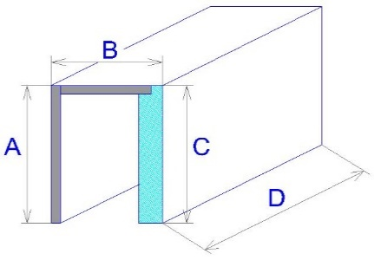

Exterior view!
If you order straight or corner sets please attach a sketch

General business terms and Complaint Procedure terms are expressly valid for mutual business between Isotra a.s. and the customer. All terms are available here:
http://www.isotra.com/complaint-procedure |  |  |  |  | http://www.isotra.com/general-business-terms
Order form is valid from 15.09.2021 until further notice.

Instructions
Order form UNDERPLASTER PURENIT BOXES

Position
Abbreviation | Note
 | If you order Purenit box including under-plaster Purenit lining put in both order form sheets (box and lining) the same position number, e.g. A1. I.e. the groove in Purenit box has the same position as side guide pocket in Purenit lining. In case you order only Purenit box the groove for guiding rail will be in the center of inner space of the box.

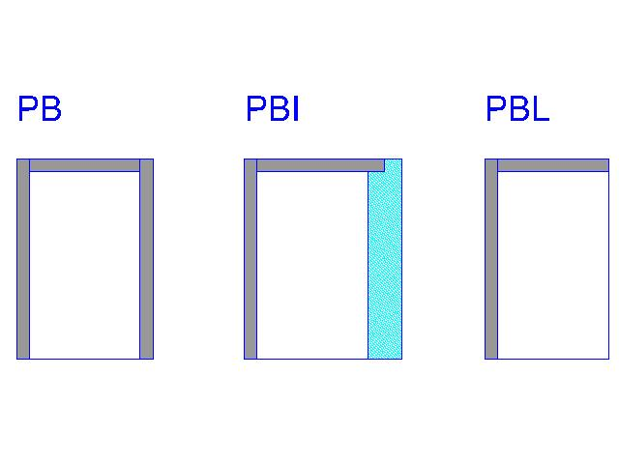

Type Box
Abbreviation | Name | Note
PB |  | Purenit box without isolation
PBI |  | Purenit box with 30mm isolation layer
PBL |  | Purenit box "L"

In-box isolation thickness - dimension "B1"
Abbreviation | Name | Note
0 |  | only for type box PBL and PB
30mm |  | Heat transfer coefficient U = 0.73 W / (m2K) Thermal resistance R = 1.1 (m2K) / W
40mm |  | Heat transfer coefficient U = 0.59 W / (m2K) Thermal resistance R = 1.4 (m2K) / W
50mm |  | Heat transfer coefficient U = 0.49 W / (m2K) Thermal resistance R = 1.8 (m2K) / W
60mm |  | Heat transfer coefficient U = 0.42 W / (m2K) Thermal resistance R = 2.1 (m2K) / W

Underplaster rail
Abbreviation | Name | Note
20 | typ 20/3 | H=20mm, J=3mm
25 | typ 25/8 | H=25mm, J=8mm
30 | typ 30/13 | H=30mm, J=13mm
35 | typ 35/18 | H=35mm, J=18mm
40 | typ 40/23 | H=40mm, J=23mm

Mounting "U" profile
Abbreviation | Name | Note, Dimension B1
0 |  | only for type box PBL
15 |  | only for type box PB
30 | PBI 30
40 | PBI 40
50 | PBI 50
60 | PBI 60

Mounting profile RAL
Abbreviation | Name | Note
9010 | white
9006 | silver
8003 | brown
7016 | anthracite
0 | No
X | other RAL
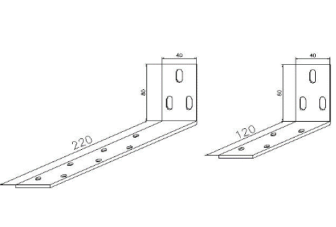
Type brackets
Abbreviation | Name | Note
120 | short | 120 / 80
220 | long | 220 / 80

Order form is valid from 15.09.2021 until further notice.

Purenit lining
ISOTRA a.s. |  |  |  |  |  |  |  |  | E-mail: objednavky@isotra.cz
Bílovecká 2411/1, 746 01 Opava |  |  |  |  |  |  |  |  | www.isotra.cz
Order form UNDERPLASTER PURENIT BOXES

Order form |  |  |  |  |  |  | Customer
Order No.: |  |  |  |  |  |  | VAT:

Ordered on: |  |  |  |  |  |  | Invoice address:

Tel..
 |  |  |  |  |  |  | Delivery address:
Dispatch date.

Position | Pieces | Lining position | Dimenstions (mm) |  |  | Type brackets |  | Note

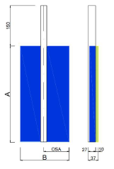
 |  |  | Dimension A | Dimension B | Osa C* | TYPE | Pc
1 | 2 | 3 | 4 | 5 | 6

Note

* osa = distance of guide rail pocket axis to the back side edge of Purenit lining. This distance must be at least 65mm depending on external blind type.
Exterior view!

General business terms and Complaint Procedure terms are expressly valid for mutual business between Isotra a.s. and the customer. All terms are available here:
http://www.isotra.com/complaint-procedure |  |  |  |  | http://www.isotra.com/general-business-terms
Order form is valid from 20.10.2022 until further notice.

